Metrics and Plots
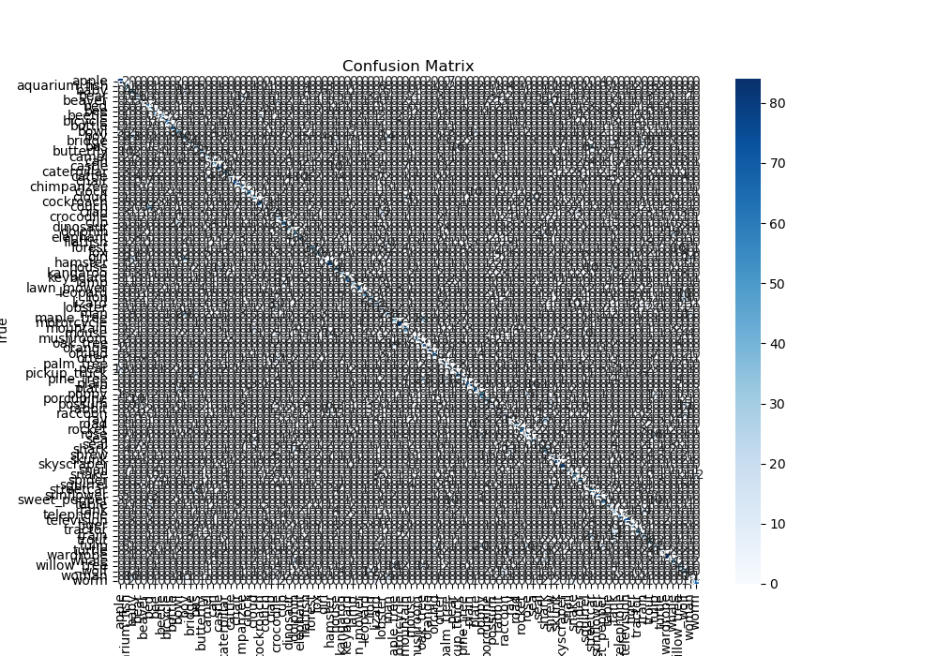
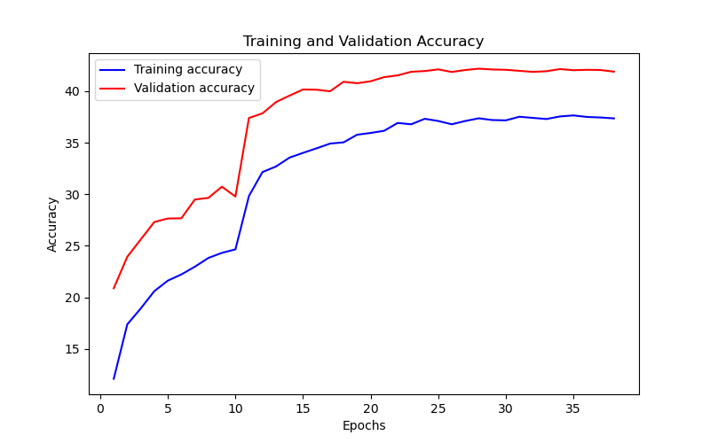
Epoch | Train Accuracy | Train Loss | Validation Accuracy | Validation Loss
1 | 12.12 | 3.415 | 20.89 | 3
2 | 17.39 | 3.257 | 23.94 | 2.849
3 | 18.94 | 3.204 | 25.63 | 2.851
4 | 20.61 | 3.121 | 27.31 | 2.727
5 | 21.63 | 3.073 | 27.65 | 2.71
6 | 22.23 | 3.069 | 27.67 | 2.757
7 | 22.98 | 3.038 | 29.49 | 2.688
8 | 23.83 | 2.987 | 29.65 | 2.7
9 | 24.32 | 2.993 | 30.73 | 2.648
10 | 24.66 | 2.974 | 29.78 | 2.659
11 | 29.83 | 2.597 | 37.39 | 2.412
12 | 32.15 | 2.55 | 37.84 | 2.387
13 | 32.69 | 2.531 | 38.93 | 2.357
14 | 33.55 | 2.461 | 39.56 | 2.344
15 | 34.01 | 2.445 | 40.15 | 2.331
16 | 34.45 | 2.42 | 40.13 | 2.32
17 | 34.91 | 2.419 | 39.98 | 2.315
18 | 35.03 | 2.402 | 40.9 | 2.295
19 | 35.77 | 2.411 | 40.76 | 2.294
20 | 35.94 | 2.392 | 40.95 | 2.283
21 | 36.15 | 2.35 | 41.35 | 2.272
22 | 36.91 | 2.351 | 41.52 | 2.273
23 | 36.78 | 2.324 | 41.87 | 2.268
24 | 37.31 | 2.328 | 41.94 | 2.27
25 | 37.1 | 2.374 | 42.1 | 2.262
26 | 36.78 | 2.342 | 41.85 | 2.266
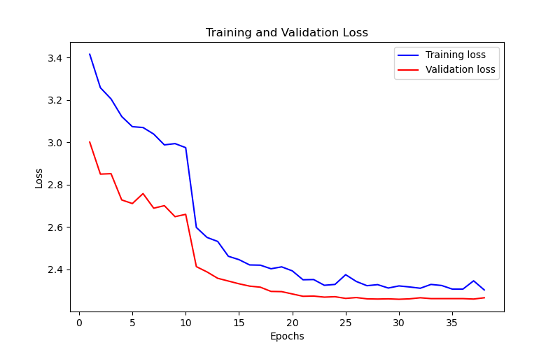
27 | 37.1 | 2.322 | 42.04 | 2.26
28 | 37.36 | 2.327 | 42.17 | 2.259
29 | 37.19 | 2.311 | 42.09 | 2.26
30 | 37.16 | 2.321 | 42.06 | 2.258
31 | 37.51 | 2.316 | 41.96 | 2.26
32 | 37.4 | 2.31 | 41.86 | 2.265
33 | 37.29 | 2.328 | 41.92 | 2.261
34 | 37.54 | 2.323 | 42.13 | 2.261
35 | 37.64 | 2.306 | 42.02 | 2.261
36 | 37.49 | 2.306 | 42.06 | 2.261
37 | 37.44 | 2.345 | 42.04 | 2.259
38 | 37.35 | 2.302 | 41.88 | 2.265

